Quality Guideline Explanation
Reference | 26 |  |  | 22 |  |  | 48
1874100090 | 76.226 | 76.261 | 76.4 | 84.929 | 84.947 | 84.969 | 62 | 62.023 | 62.046
 | Tol Inf | Nominal | Tol Sup | Tol Inf | Nominal | Tol Sup | Tol Inf | Nominal | Tol Sup
The drawings tell us the dimensions required for the part.
The values are never a static, perfect, and exact value, there are margings above and below (tolerances) referenced from the target (perfect) value (nominal value).
The customer requires different types of tolerances with their own standard nomenclature.
If the product is manufactured above the Superior Tolerance or below the inferior tolerance it will considered as a NOK part, if it's within tolerances, it's OK.

Tol Inf = $85 −0,071=84,929$

Tol Sup = $85+0,036=$84,969
$Nominal value= \frac{Tol Sup+ Tol Imf }{2}$ = 84,947

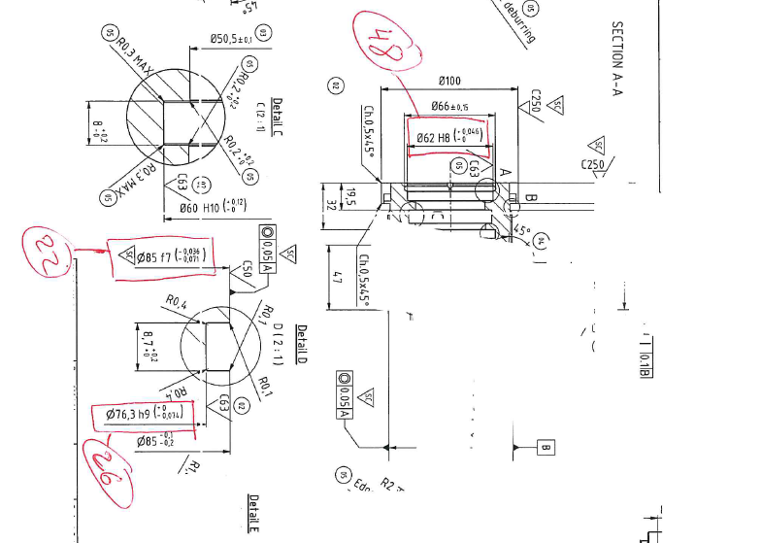

Tol Inf = $76,3 −0,074=76,226$
$$Tol Sup=76,3$$

$Nominal value= \frac{Tol Sup+ Tol Imf }{2}$ = 76,261

